TC001 Run Billing
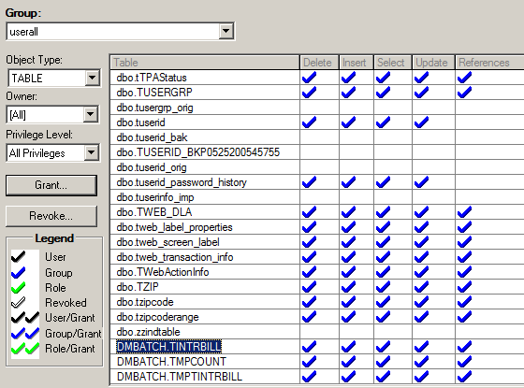
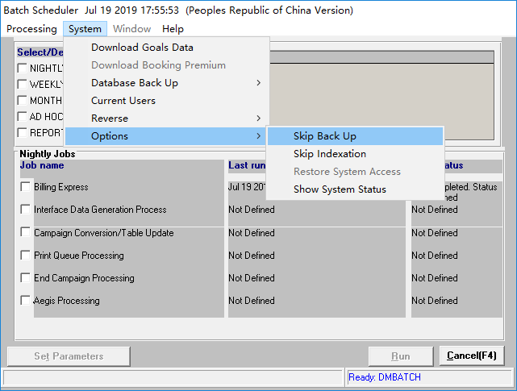
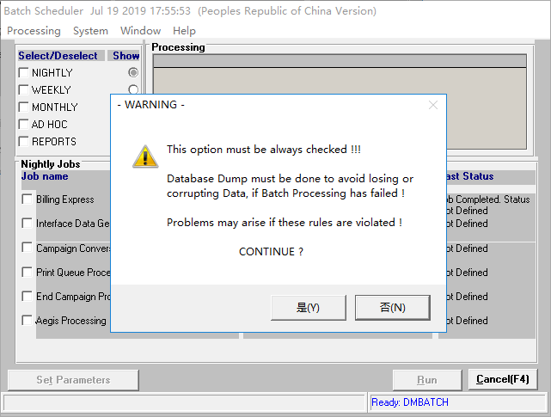
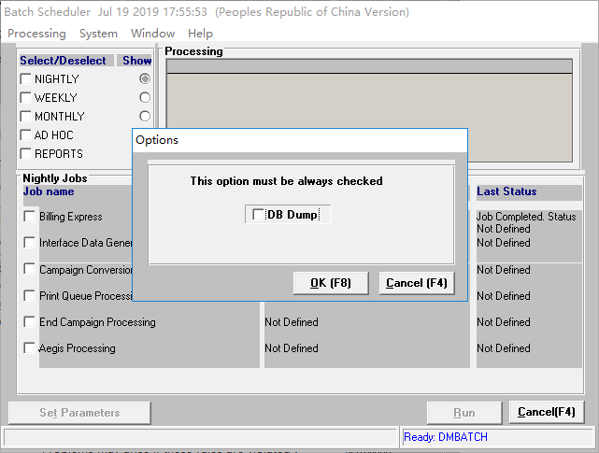
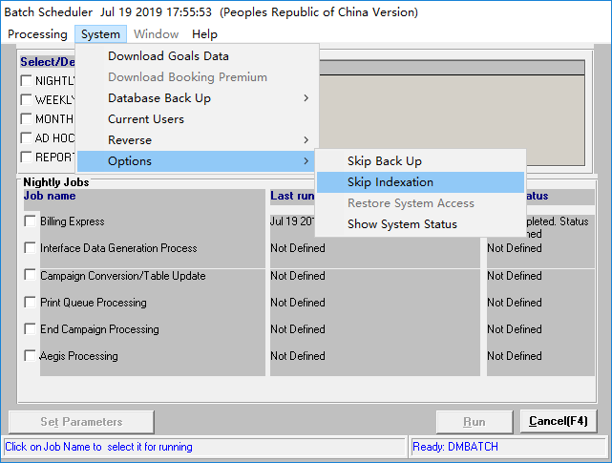
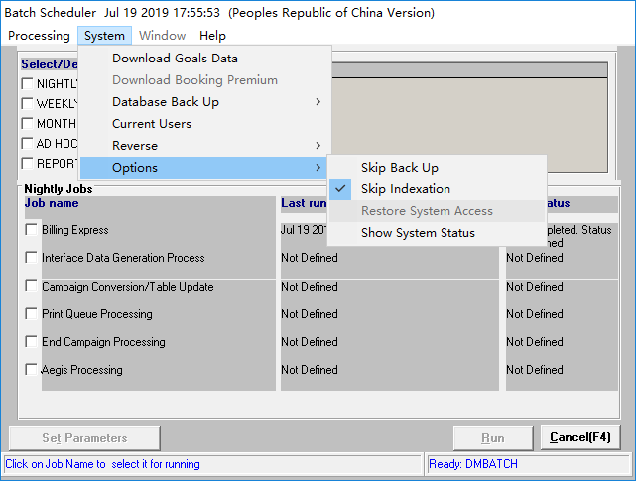
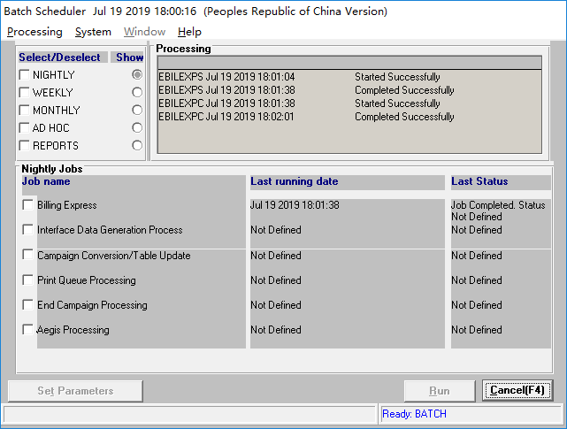
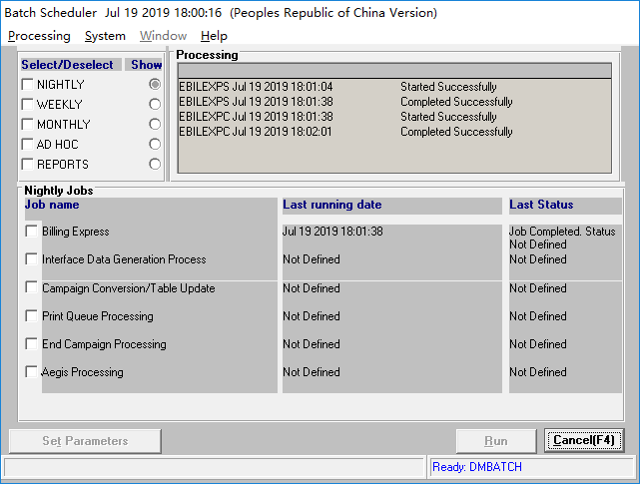
Corporate ADM

Test Case ID |  | TC001
Test Case Name |  | Run Billing
Test Case Author |  | Lu Xiao Feng
Test Objective |  | find bugs
Test Case Sequencing or Priority |  | high

Test Case Preconditions |  | deploy the build to AIX SIT environment
Test Data Requirements
Business Requirements or Changes to be Tested |  | ITSRXXXXX
Test Environment Clean Up Activities (As Applicable) |  | 10.64.98.18 CHDEAS01

 |  |  | ************************ Test Iteration 1 ************************ |  | **************************** Test Iteration 2 ***********************************
Step # | Test Script / Description | Expected Results | Actual Results | Step Pass/Fail | Actual Results | Step Pass/Fail
1 | Login DMBATCH | Login DMBATCH successfully. | Login DMBATCH successfully. | Pass
2 | Selection System>>Option>>Skip Back Up | Jump Option Page successfully. | Jump Option Page successfully. | Pass
3 | Click OK | Jump Warning Page Successfully | Jump Warning Page Successfully | Pass
4 | Click Yes | Jump Batch Scheduler Page Successfully | Jump Batch Scheduler Page Successfully | Pass
5 | Selection System>>Option>>Skip Indexation | Selection Skip Indexation Successfully | Selection Skip Indexation Successfully | Pass
6 | Selection Biling Express Click Run | Biling Express Successfully | Biling Express Successfully | Pass

Test Execution Details |  |  | Supporting Documentation
Test Case Execution Date (for all iterations) |  | Date and time for the test iteration 1 and 2 | Supporting Document Description | LOCATION
Tester Name |  | Name of tester who executed the test case | [Provide description of the document. Example: Testing Scenarios, Data Setup Matrix, Testing Screen Shots] | [URL or hyperlink to document location]

Before Add Authority to UserAll Group
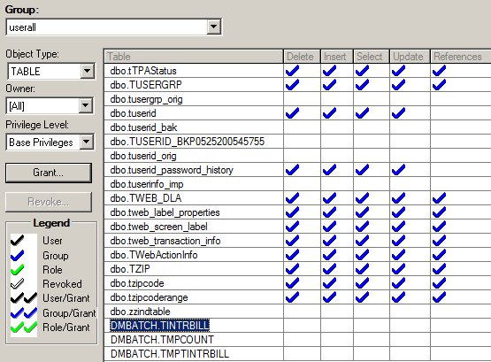

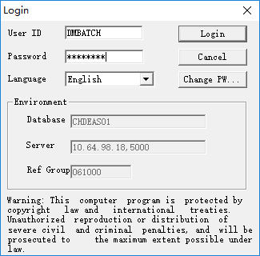

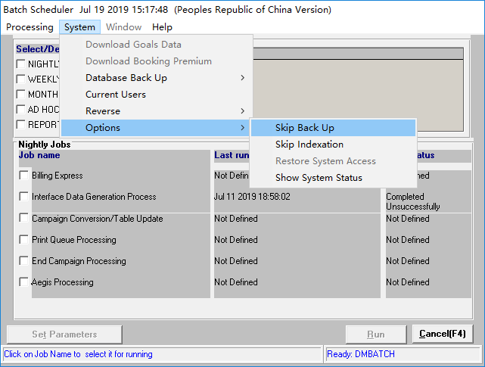

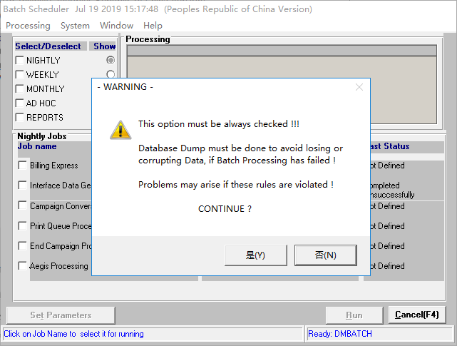

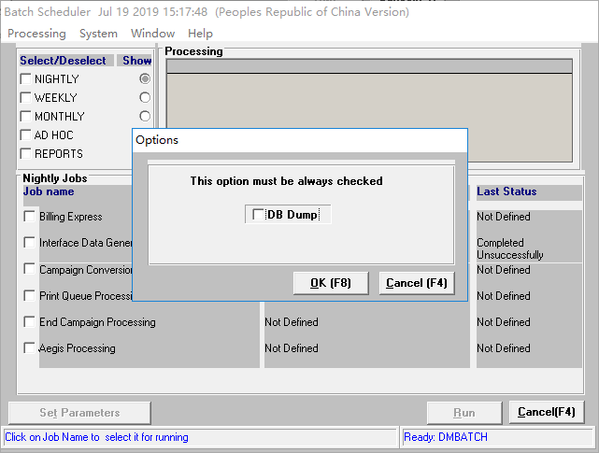

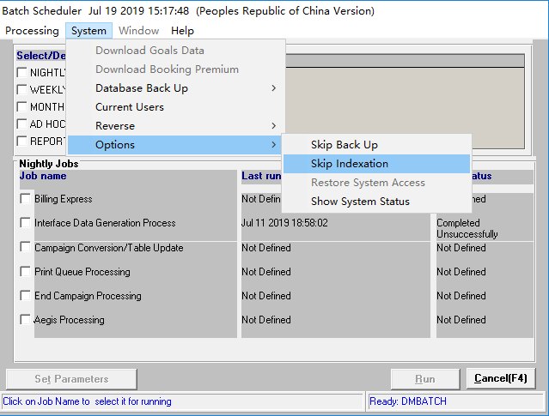



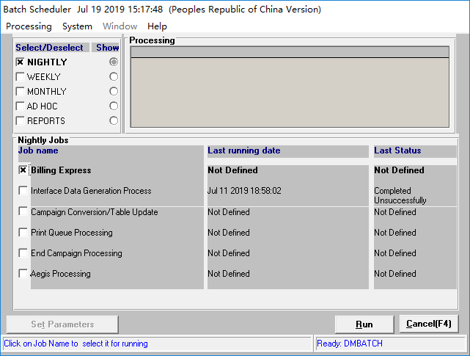

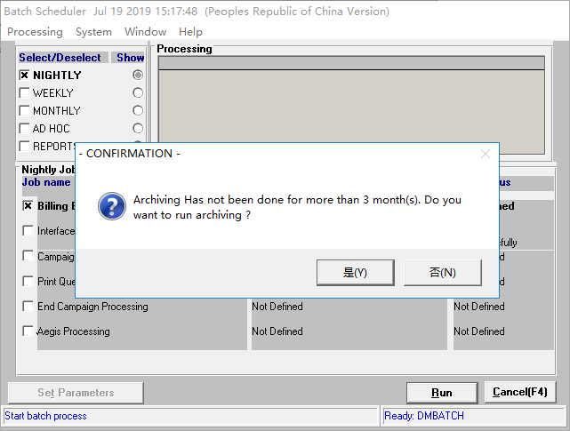

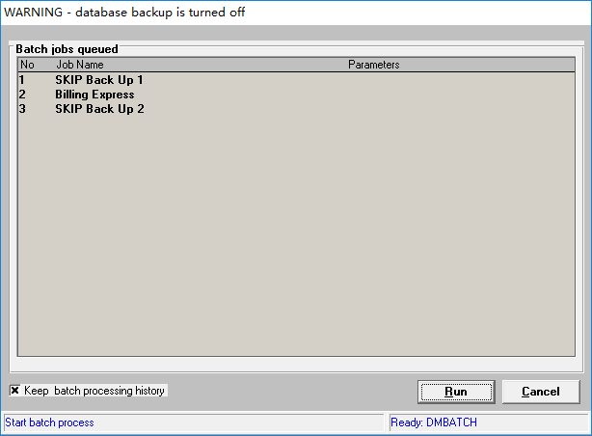

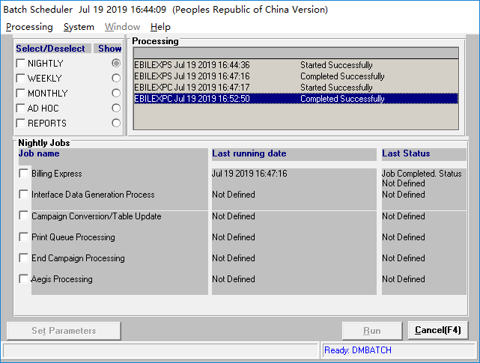

After Add Authority to UserAll Group

